Hiearchy View
CLASS: PASSAGEWAY
a long, narrow way, typically having walls either side, that allows access between buildings or to different rooms within a building. |  | 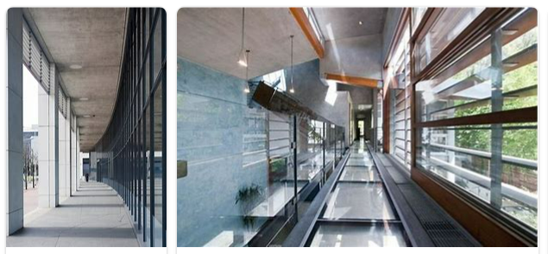
REMOVE | N

PROBLEM_DESC | CAUSE_DESC | REMEDY_DESC
ALARM/SENSOR
BROKEN/DAMAGED
LEAKING
LIGHTING
OTHER PROBLEM
PESTS
POWER-ELEC
SMELL
STOPPED/SLOWED/POOR OPS
TEMP-CTRL
VIBRATION
Grand Total

